1. Title Page
Instacart Grocery Basket Analysis

Project Name: Instacart Grocery Basket Analysis
Date: 2024.07.04
Analyst Name: Bert Pearce

Contents:
Population Flow
Consistency checks
Wrangling steps
Column derivations
Visualizations
Recommendations

2. Population Flow
Title page

Population flow

Exclusion flag
Condition: max_order < 100
Observations to be removed: 5127
Final total count of order_products_all: 32435059

Orders_products_combined
Orders_products_merged
Orders_products_all

Total: 32435070
Total: 32434489
Total: 32435059

1.) The grey boxes in the first row of the population flow represent the original data sets as they were when you downloaded them. In the Total fields you need to add the count of the rows when you imported the data set into Jupyter.
2.) The second row of boxes (coloured) represents the data sets after you manipulated them, e.g., removed missing values and duplicates. In the Total fields you need to add the count of the rows after conducting these operations. This offers a visual oveview of how the data flows throughout the data consistency checks.
3.) The third row, where also the arrows are coloured, represents the merges you performed between the datasets. In the Total fields you need to add the count of the rows in the merged datasets, so that you end up with the final dataset (in the red box). Keep in mind the final dataset should be without exclusions (based on the exclusion flag).

3. Consistency checks
 |  |  |  | Title page
Consistency checks

Dataset | Missing values | Missing values treatment | Duplicates
orders | 206209 | No action | 0
products | 16 | Remove records | 5
orders_products_prior | Not applicable | Not applicable | Not applicable
customers | 0 | No action | 0

4. Wrangling steps
 |  |  |  | Title page
Wrangling steps

Columns dropped | Columns renamed | Columns' type changed | Comment/Reason
eval_set |  |  | Not relevant
 | order_dow to orders_day_of_week |  | Clarification
 |  | order_id; int to str | Exclusion from calculations
 |  | order_number; int to str | Exclusion from calculations
 | eval_set to evaluation_set |  | Clarification
First Name |  |  | Not relevant
Surnam |  |  | Not relevant
 | Gender to gender |  | Consistency
 | STATE to state |  | Consistency
 | Age to age |  | Consistency
 | n_dependants to dependents |  | Clarification; Spelling

5. Column derivations
 |  |  |  | Title page

Column derivations and aggregations

In this tab you should add tables below that the frequences of flags/label variables that you produced after deriving them. NB: don't do this for continuous variables, only for flags.
Dataset | New column | Column/s it was derived from | Conditions
ords_prods_combined | _merge | merge of orders_prepared and orders_products_prior | If the record was merged from both data sets, then "both". If the record was only from the left set, then "left_only". If the record was only from the right set, then "right_only". both: 32434489 left_only: 0 right_only: 0
ords_prods_merged | 2_merge | merge of orders_products_combined and products_prepared | If the record was merged from both data sets, then "both". If the record was only from the left set, then "left_only". If the record was only from the right set, then "right_only". both: 32404859 left_only: 30200 right_only: 11
ords_prods_merged | price_range | prices | If prices <= 5, then "Low-range product". If prices > 5 and <= 15, then "Mid-range product". If prices > 15, then "High-range product". Low-range product: 10126324 Mid-range product: 21860868 High-range product: 417678 nan: 30200
ords_prods_merged | busiest_day | orders_day_of_week | If orders_day_of_week = 4, then "Least busy". If orders_day_of_week = 0, then "Busiest day". If orders_day_of_week =/= 0 or 4, then "Regularly busy". Least busy: 3787263 Busiest day: 6209808 Regularly busy: 22437999
ords_prods_merged | busiest_days | orders_day_of_week | If orders_day_of_week = 3 or 4, then "Slowest days". If orders_day_of_week = 0 or 1, then "Busiest days". If orders_day_of_week =/= 0, 1, 3, or 4, then "Regularly busy". Slowest days: 7631438 Busiest days: 11875759 Regularly busy: 12927873
ords_prods_merged | busiest_period_of_day | order_hour_of_day | If order_hour_of_day = 3 or 4, then "Fewest orders". If order_hour_of_day = 10 or 11, then "Most orders". If order_hour_of_day =/= 3, 4, 10, or 11, then "Average orders". Fewest orders: 104605 Most orders: 5503123 Average orders: 26827342
ords_prods_merged | max_order | user_id and order_number | Max order_number value for each user_id
ords_prods_merged | loyalty_flag | max_order | If max_order <= 10, then "New customer". If max_order > 10 and <= 40, then "Regular customer". If max_order > 40, then "Loyal customer". New customer: 6249525 Regular customer: 15891507 Loyal customer: 10294027 nan: 11
ords_prods_merged | avg_price | user_id and prices | Average of prices for each user_id
ords_prods_merged | spending_type | avg_price | If avg_price < 10, then "Low spender". If avg_price >= 10, then "High spender". Low spender: 31800381 High spender: 634678 nan: 11
ords_prods_merged | order_frequency | user_id and days_since_prior_order | Median of days_since_prior_order for each user_id
ords_prods_merged | customer_frequency | order_frequency | If order_frequency > 20, then "Non-frequent customer". If order_frequency <= 20 and > 10, then "Regular customer". If order_frequency <= 10, then "Frequent customer". Non-frequent customer: 3639720 Regular customer: 7217066 Frequent customer: 21578273 nan: 11
orders_products_all | region | state | If state is 'Maine', 'New Hampshire', 'Vermont', 'Massachusetts', 'Rhode Island', 'Connecticut', 'New York', 'Pennsylvania', or 'New Jersey', then "Northeast". If state is 'Wisconsin', 'Michigan', 'Illinois', 'Indiana', 'Ohio', 'North Dakota', 'South Dakota', 'Nebraska', 'Kansas', 'Minnesota', 'Iowa', 'Missouri', then "Midwest". If state is 'Delaware', 'Maryland', 'District of Columbia', 'Virginia', 'West Virginia', 'North Carolina', 'South Carolina', 'Georgia', 'Florida', 'Kentucky', 'Tennessee', 'Mississippi', 'Alabama', 'Oklahoma', 'Texas', 'Arkansas', 'Louisiana', then "South". If state is 'Idaho', 'Montana', 'Wyoming', 'Nevada', 'Utah', 'Colorado', 'Arizona', 'New Mexico', 'Alaska', 'Washington', 'Oregon', 'California', 'Hawaii', then "West". Northeast: 5728444 Midwest: 7604016 South: 10801982 West: 8300617
orders_products_all | activity_level | max_order | If max_order < 5, then "Low activity". If max_order >= 5, then "Regular activity". Low activity: 1441570 Regular activity: 30993489
orders_products_all | profiling_age | age | If age < 25, then "18 to 24". If age >= 25 and < 35, then "25 to 34". If age >= 35 and < 45, then "35 to 44". If age >= 45 and < 55, then "45 to 54". If age >= 55 and < 65, then "55 to 64". If age >= 65, then "65+". 18 to 24: 3576409 25 to 34: 5059322 35 to 44: 5066950 45 to 54: 5116055 55 to 64: 5033514 65+: 8582809
orders_products_all | profiling_income | income | If age <= 30000, then "Lower class". If age > 30000 and <= 58020, then "Lower-middle class". If age > 58020 and <= 94000, then "Middle class". If age > 94000 and <= 153000, then "Upper-middle class". If age > 153000, then "Upper class". Lower class: 207526 Lower-middle class: 5414386 Middle class: 9518805 Upper class: 3497005 Upper-middle class: 13797337
orders_products_all | profiling_departments | department_id | If department_id is 1, 3, 4, 6, 7, 9, 10, 12, 13, 14, 15, 16, 19, or 20, then "food". If department_id is 2 or 21, then "misc". If department_id is 5, then "alcohol". If department_id is 8, then "pets". If department_id is 11 or 17, then "household". If department_id is 18, then "parents". alcohol: 153696 food: 30437971 household: 1186238 misc: 105436 nan: 30200 parents: 423802 pets: 97716
orders_products_all | profiling_family_type | dependents and fam_status | If dependents is 0 and fam_status is 'divorced/widowed' or 'single', then "Single". If dependents is 0 and fam_status is 'married', then "Small family". If dependents is 0 and fam_status is 'living with parents and siblings', then "Standard family". If dependents is 1 and fam_status is 'divorced/widowed', 'single', or 'married', then "Small family". If dependents is 1, 2, or 3 and fam_status is 'living with parents and siblings', then "Large family". If dependents is 2 and fam_status is 'divorced/widowed', 'single', or 'married', then "Standard family". If dependents is 3 and fam_status is 'divorced/widowed', 'single', or 'married', then "Large family". Single: 8105345 Small family: 7557836 Standard family: 7590188 Large family: 9181690
orders_products_all | department_name | department_id | If department_id = 1, then 'frozen'. If department_id = 2, then 'other'. If department_id = 3, then 'bakery'. If department_id = 4, then 'produce'. If department_id = 5, then 'alcohol'. If department_id = 6, then 'international'. If department_id = 7, then 'beverages'. If department_id = 8, then 'pets'. If department_id = 9, then 'dry goods pasta'. If department_id = 10, then 'bulk'. If department_id = 11, then 'personal care'. If department_id = 12, then 'meat seafood'. If department_id = 13, then 'pantry'. If department_id = 14, then 'breakfast'. If department_id = 15, then 'canned goods'. If department_id = 16, then 'dairy eggs'. If department_id = 17, then 'household'. If department_id = 18, then 'babies'. If department_id = 19, then 'snacks'. If department_id = 20, then 'deli'. If department_id = 21, then 'missing'. produce: 9479291 dairy eggs: 5398747 snacks: 2887550 beverages: 2688123 frozen: 2234743 pantry: 1875369 bakery: 1172428 canned goods: 1068058 deli: 1051249 dry goods pasta: 866627 household: 738666 meat seafood: 708927 breakfast: 703033 personal care: 447572 babies: 423802 international: 269253 alcohol: 153696 pets: 97716 missing: 69145 other: 36291 bulk: 34573 nan: 30200

6. Recommendations
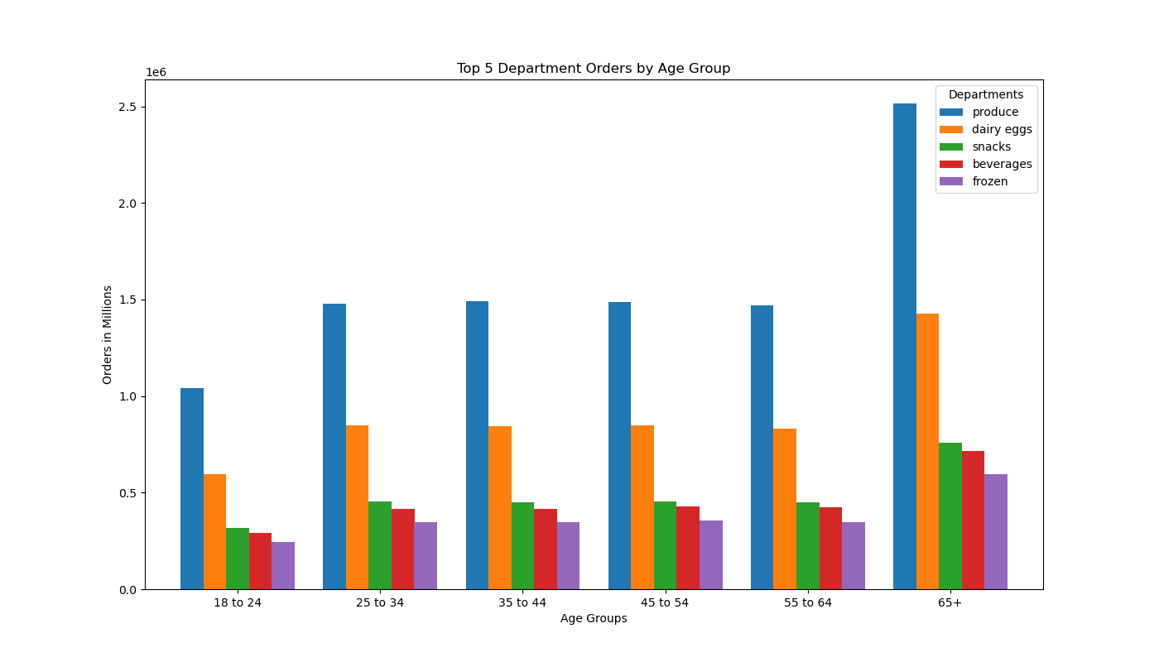
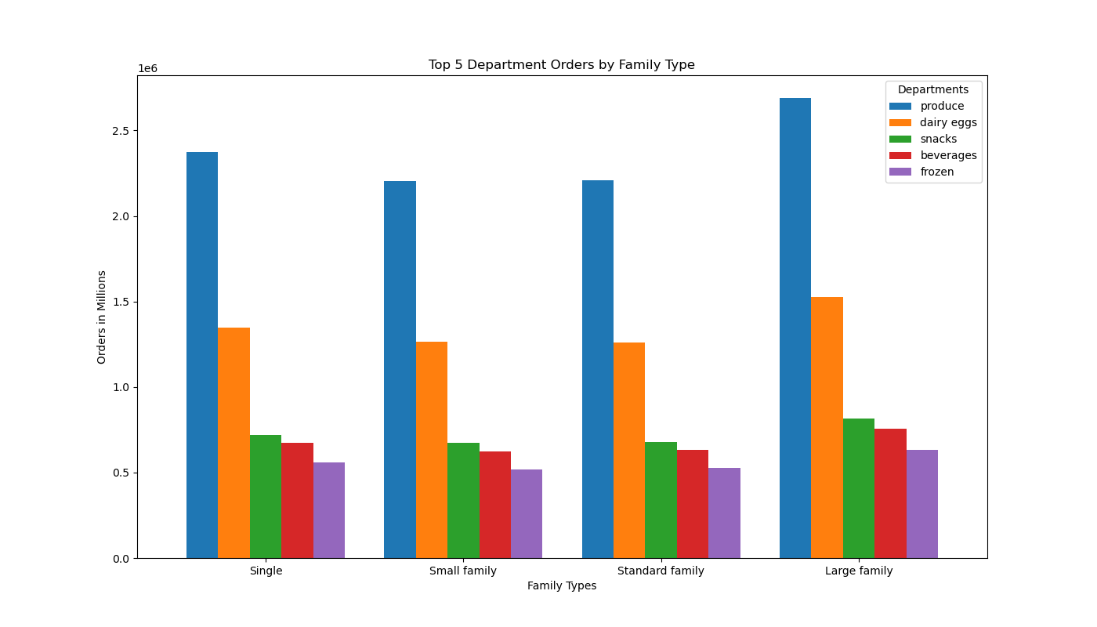
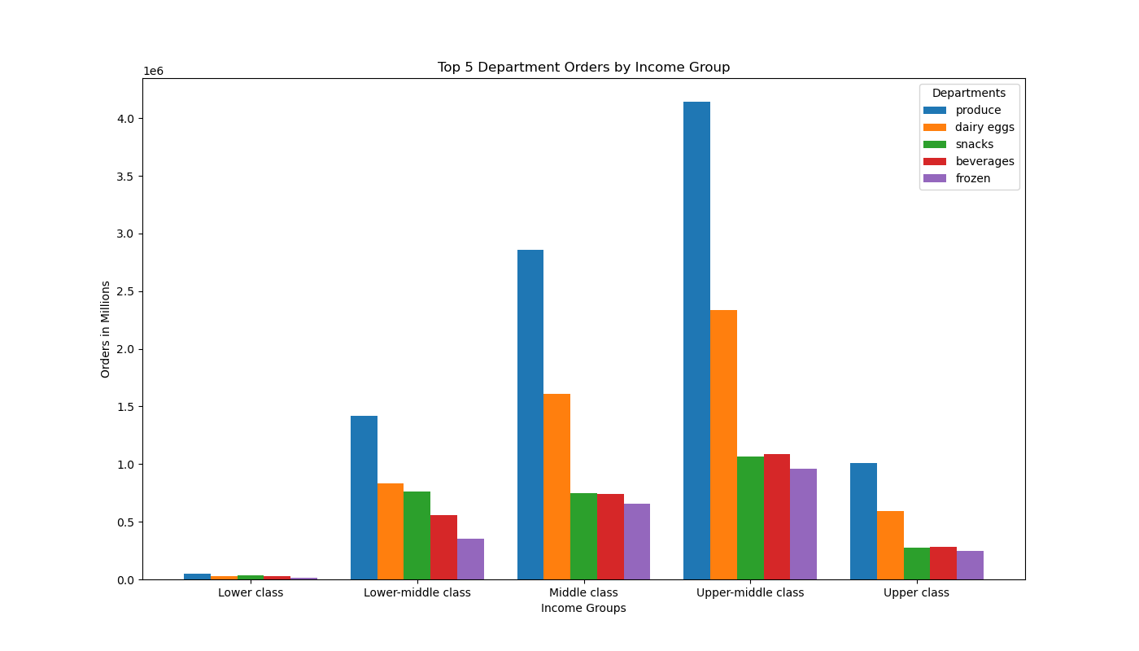
Title page

Recommendations

Question: What days of the week and hours of the day are the busiest?
Answer: Saturday and Sunday; 9am to 4pm
Recommendation: Schedule ads on weekdays between 5pm and 9am to target times when orders are lower. To target times when orders are at their lowest during waking hours, schedule ads on Tuesdays and Wednesdays from 6am to 8am and 5pm to 9pm.
In this tab you should include all the visualtions from Exercises 4.9 and 4.10, alongside the questions from the project brief that they answer. Include any commentary on the relationship between different variables.



Orders by Day of the Week
Orders by Hour of the Day

Orders in Millions
Frequency in Millions

Sat
Sun
Mon
Tues
Wed
Thurs
Fri
Day of the Week
Hour of the Day

Question: What times of the day do customers spend the most money?
Answer: The peak average price per item was the 4am to 5am hour.
Recommendation: All average prices are about within a span of $0.10 to $0.20. These measurements indicate that the difference hour-to-hour isn't significant enough for decision making.

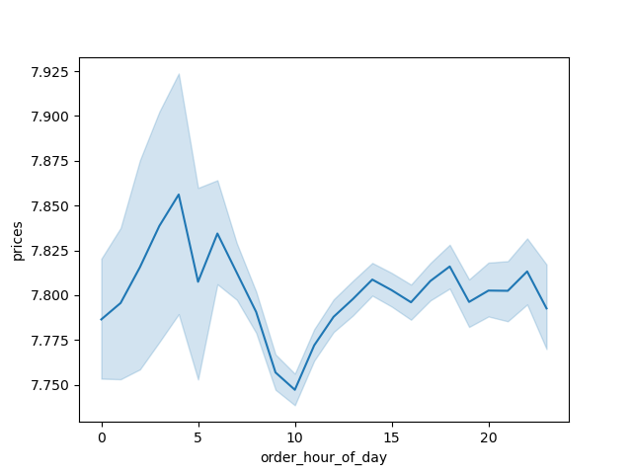
Average Item Price by Hour of the Day

Average Price

Hour of the Day

Question: Which departments have the highest frequency of orders?
Answer: Top 5 departments in order of highest to lowest: produce, dairy/eggs, snacks, beverages, and frozen.
Recommendation: Considering shifting advertising resources from the top performing departments to lesser performing departments.

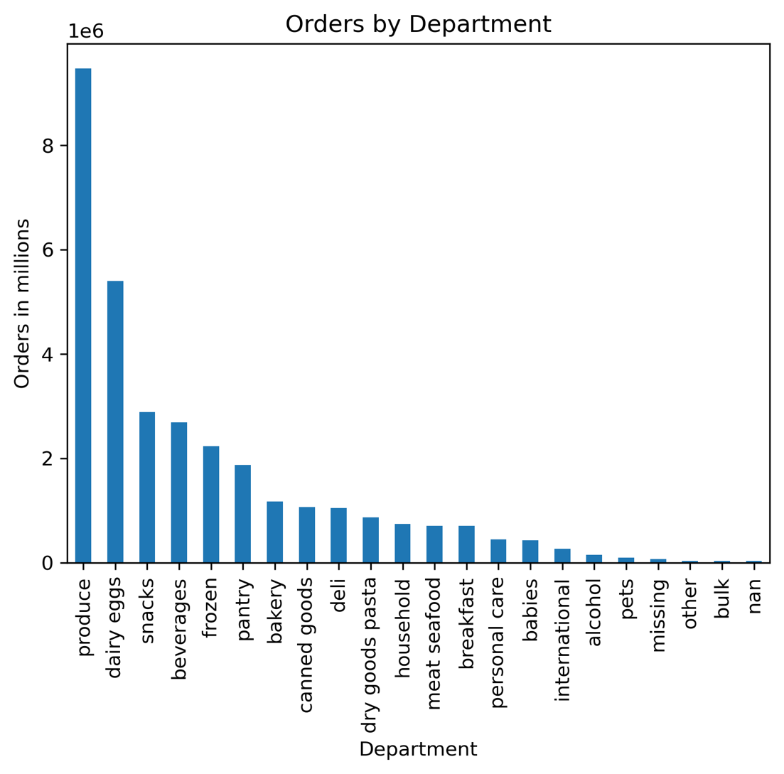

Question: What's the distribution among users in regards to their brand loyalty?
Answer: Loyal customers: 8.3%; regular customers: 37.3%; and new customers: 54.5%
Recommendation: There is significant room to focus on moving regular customers into loyal customers.

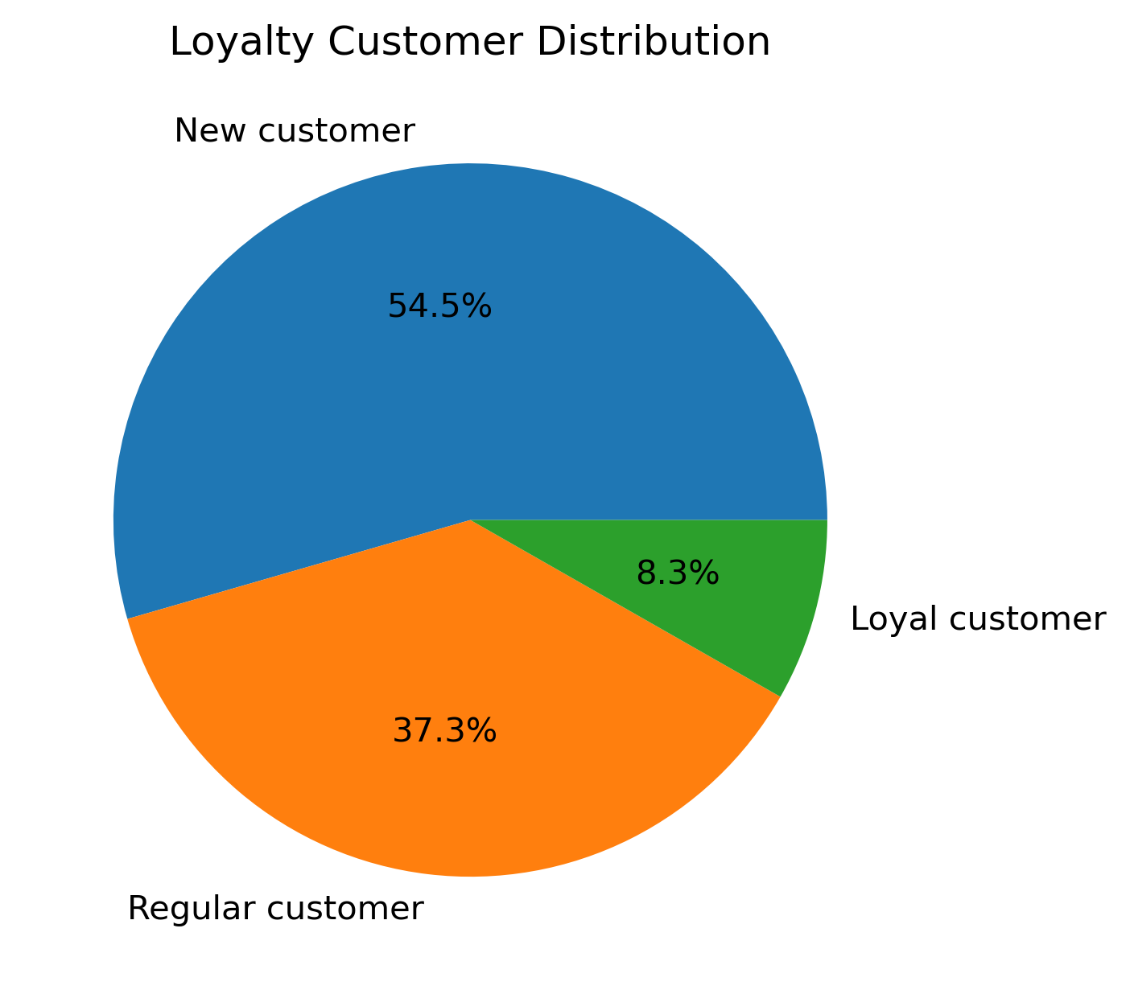

Question: Are there differences in ordering habits based on a customer's loyalty status?
Answer: Regular customers make the most orders, but the average number of orders for each loyalty status shows that Loyal customers make 3 times as many orders as Regular customers.
Recommendation: Focus on turning Regular customers into Loyal customers to increase the number of orders.

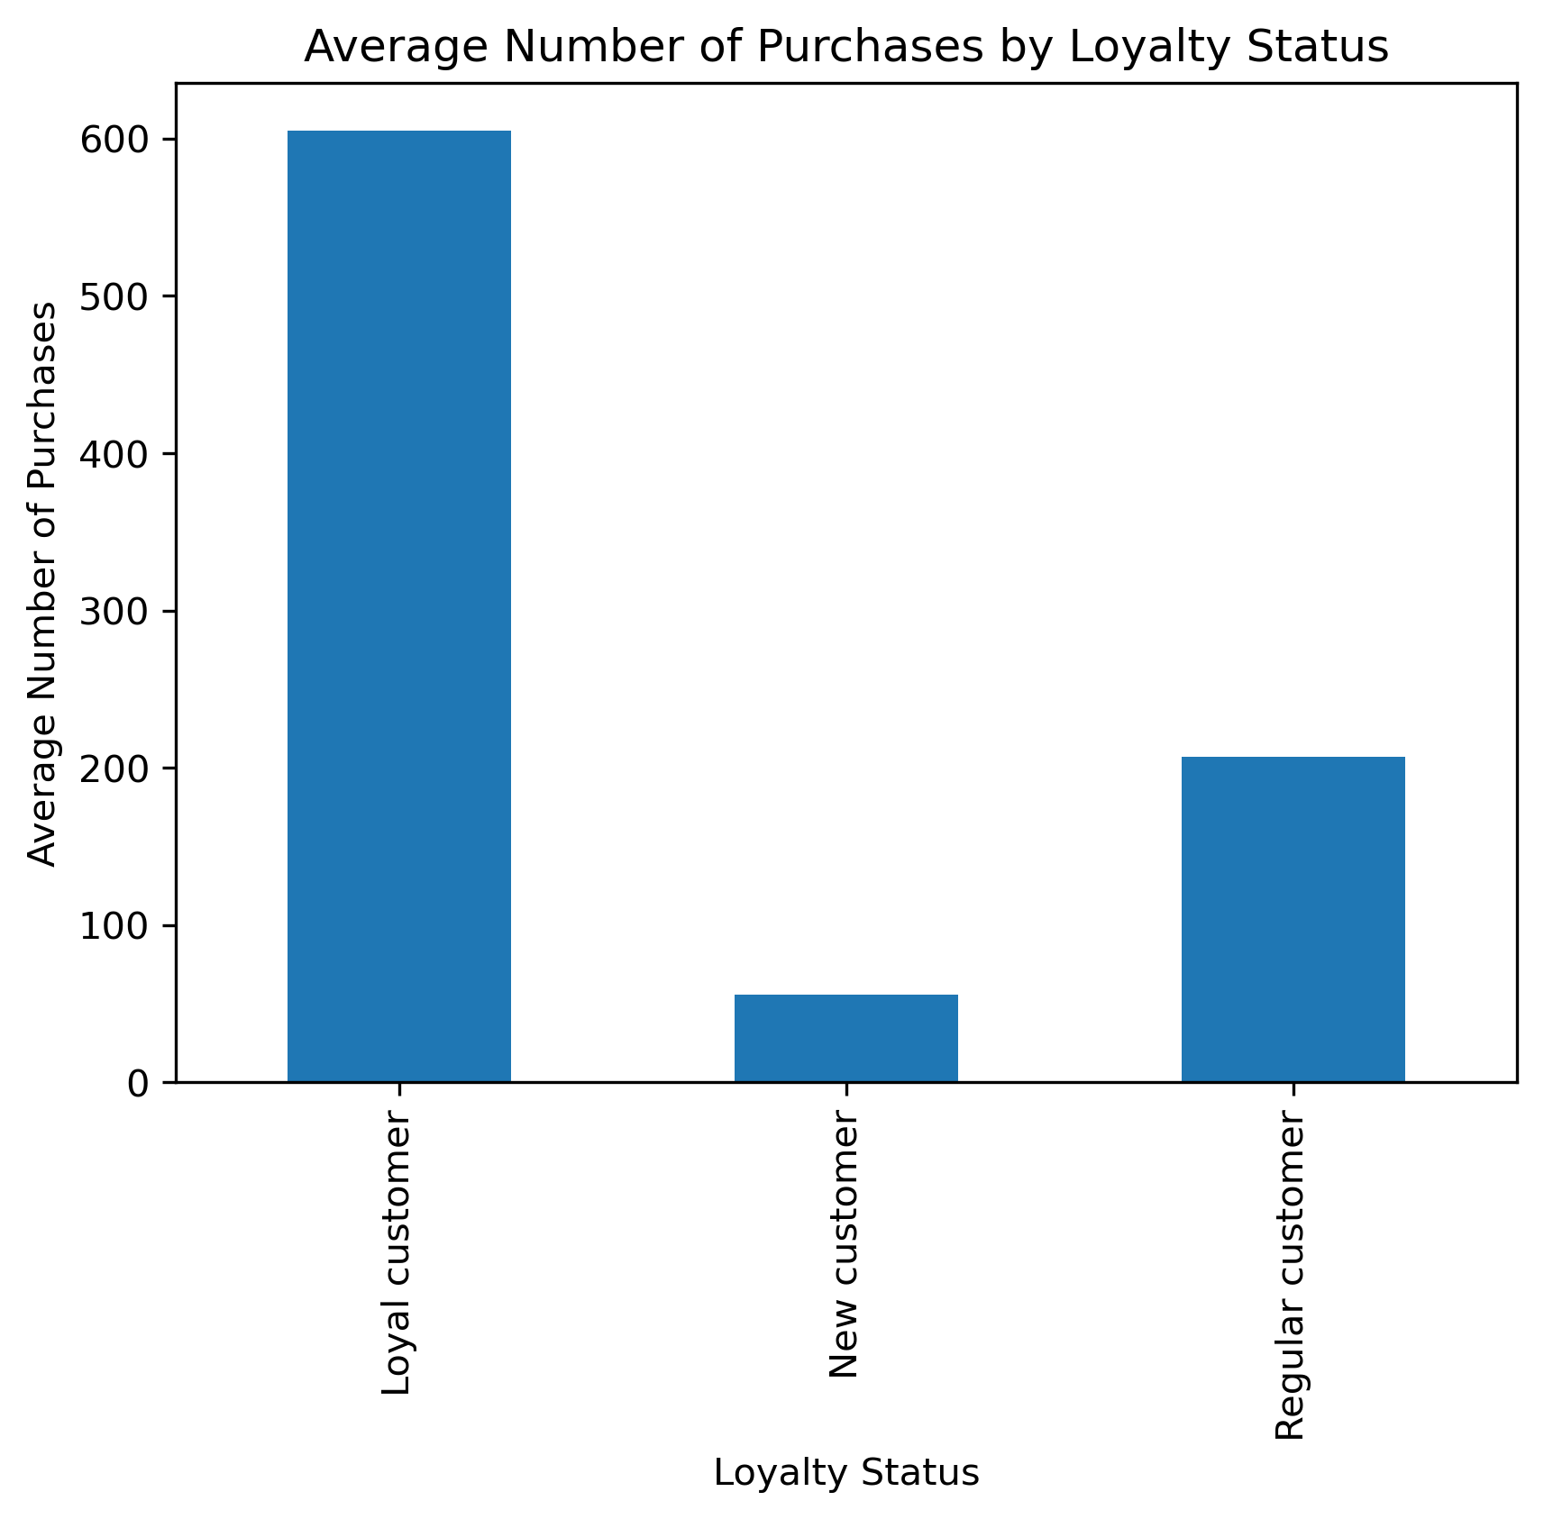
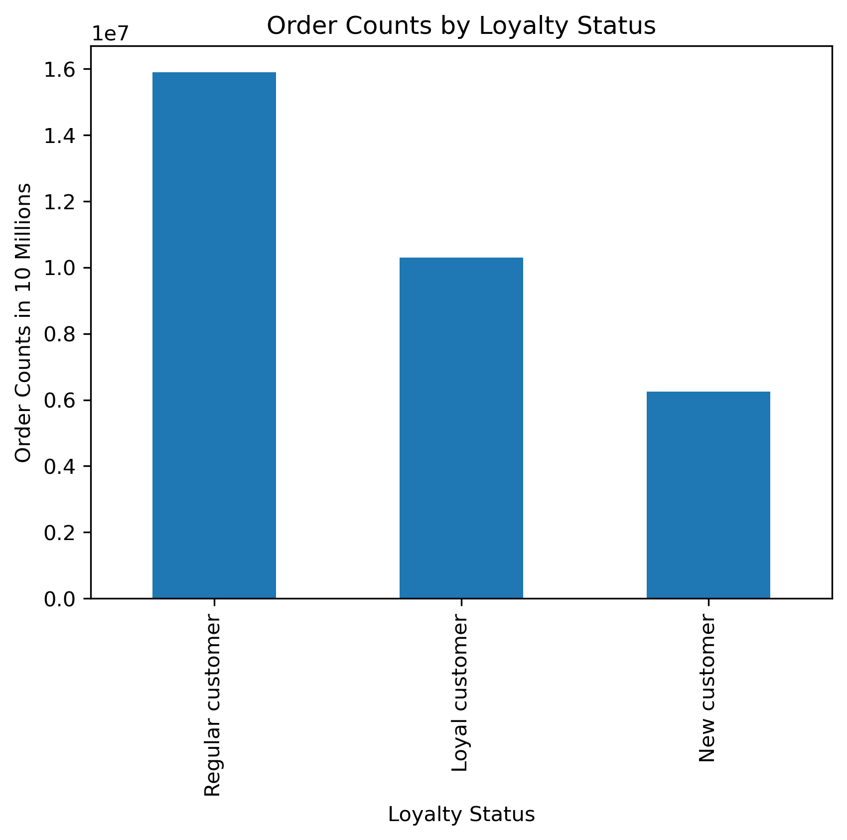

Question: Are there differences in ordering habits based on a customer's region?
Answer: High/low spender type are basically the same across regions. The average number of purchases by region is also nearly the same across regions. There is no significant difference in ordering habits by region.
Recommendation: Don't customize marketing by region.

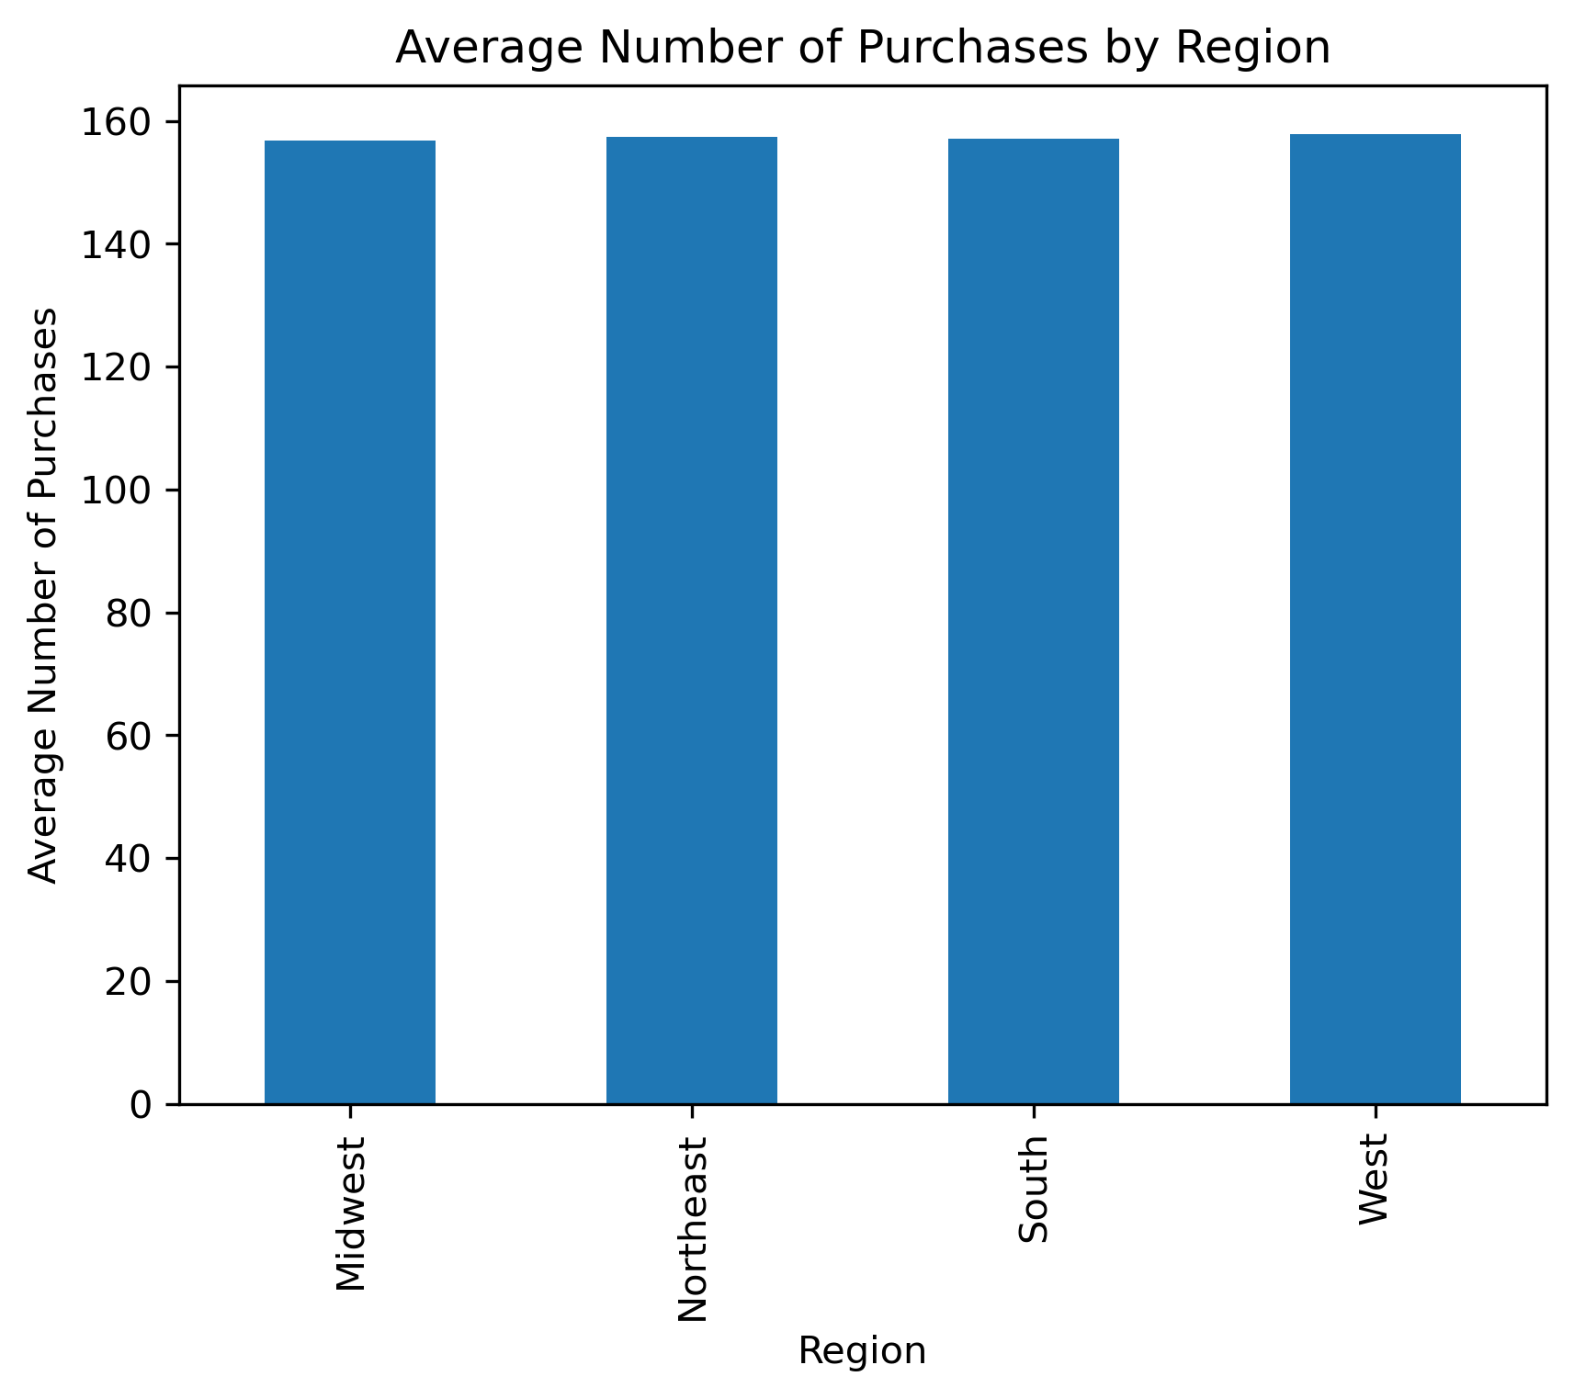

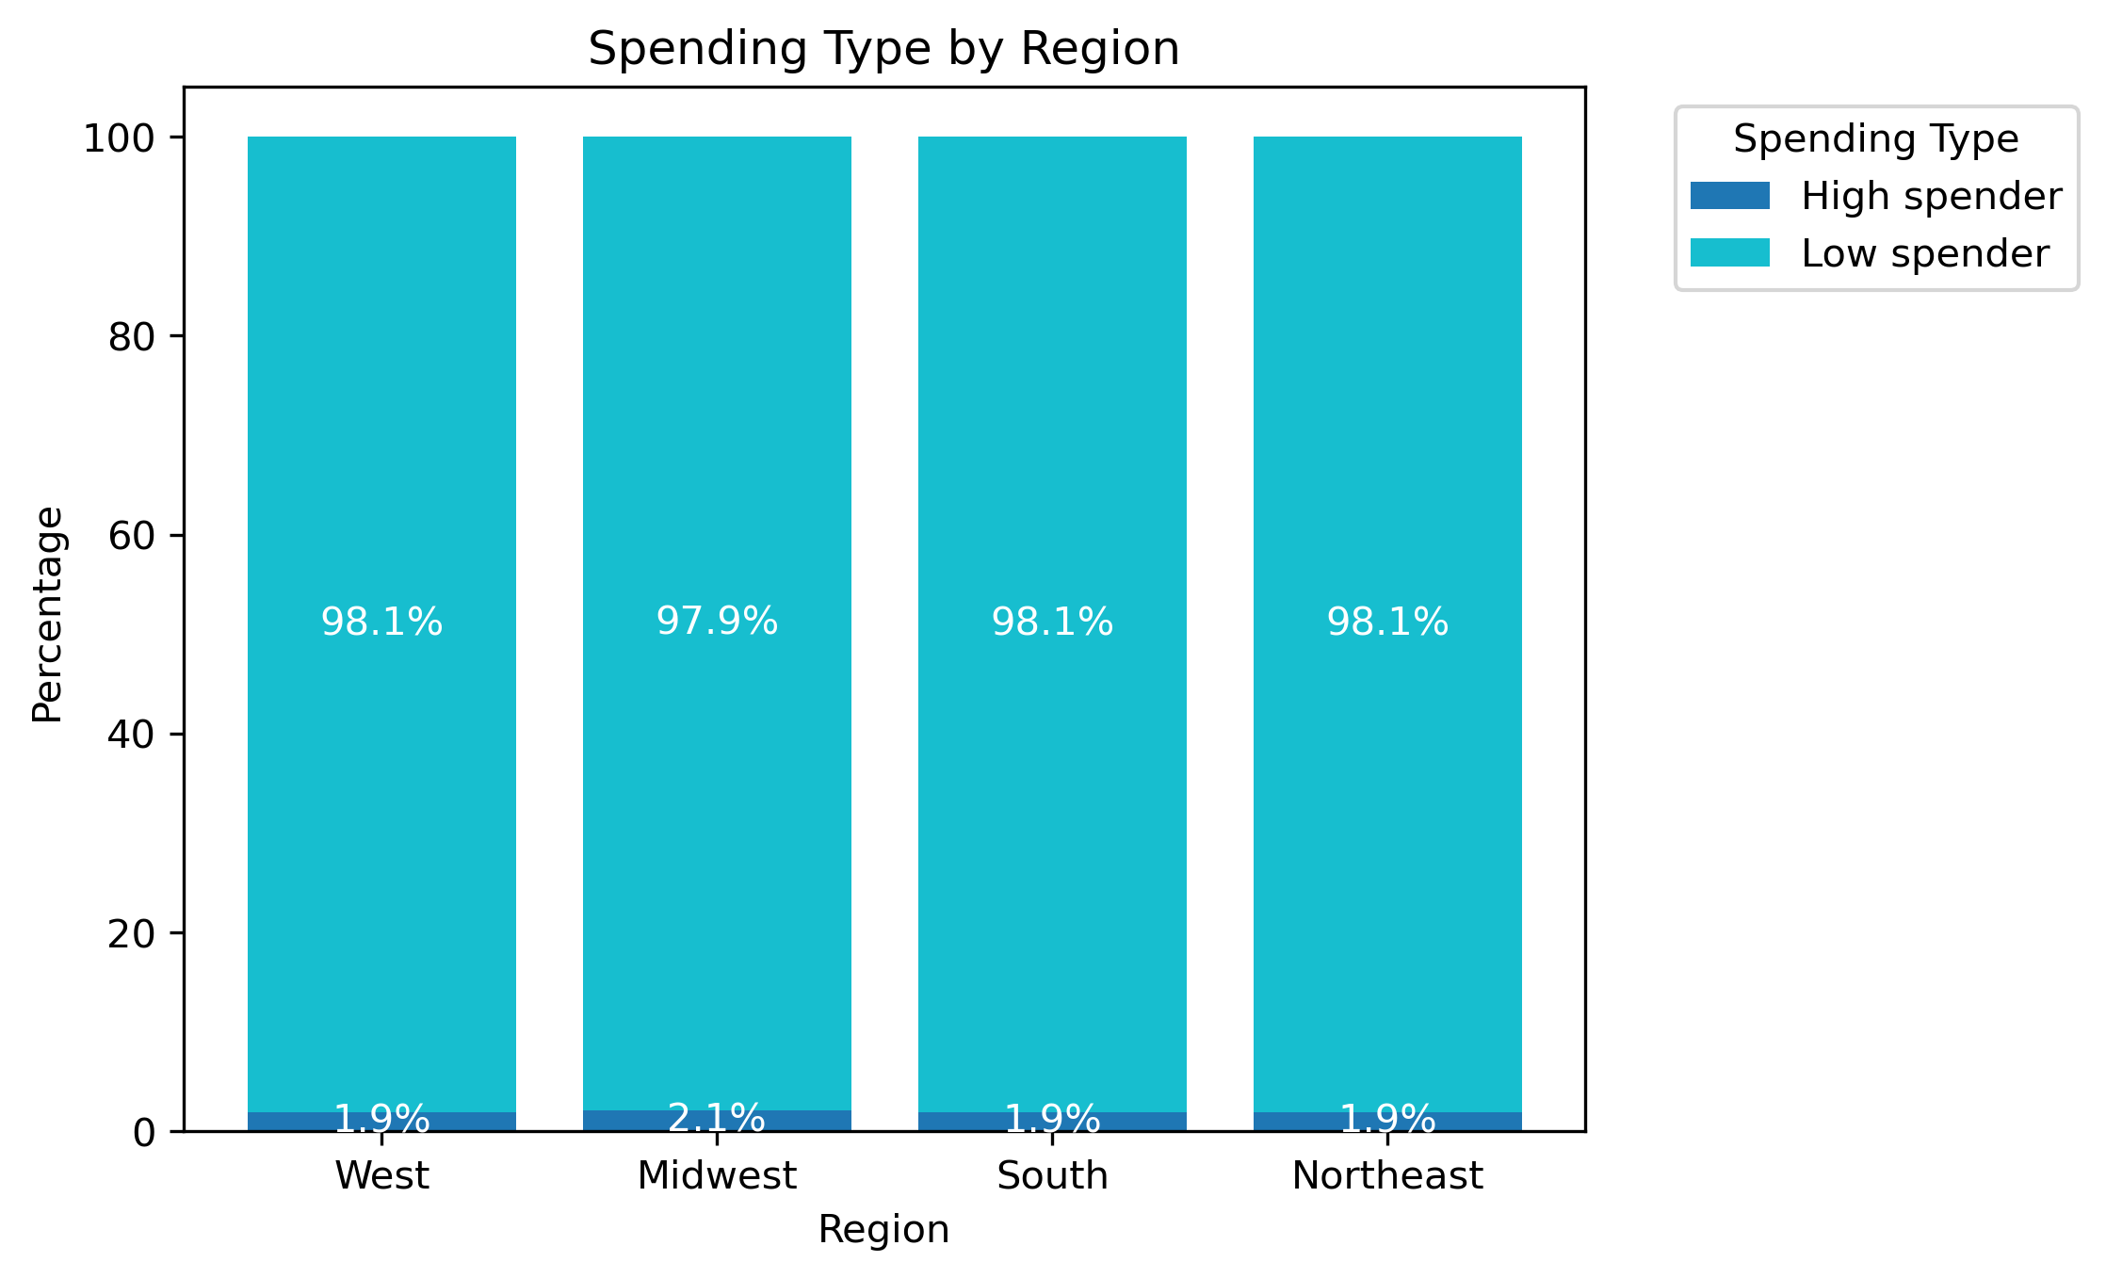

Question: Is there a connection between age and family status in terms of ordering habits?
Answer: People 18 to 24 who live in a large family (5 or more people) make significantly more purchases than other people in their age group and other age groups except 65+. All other family types within each other age group are fairly similar.
Recommendation: Conduct more research on customers who are 18-24 and live in large families to identify why they purchase significantly more products than their peers.

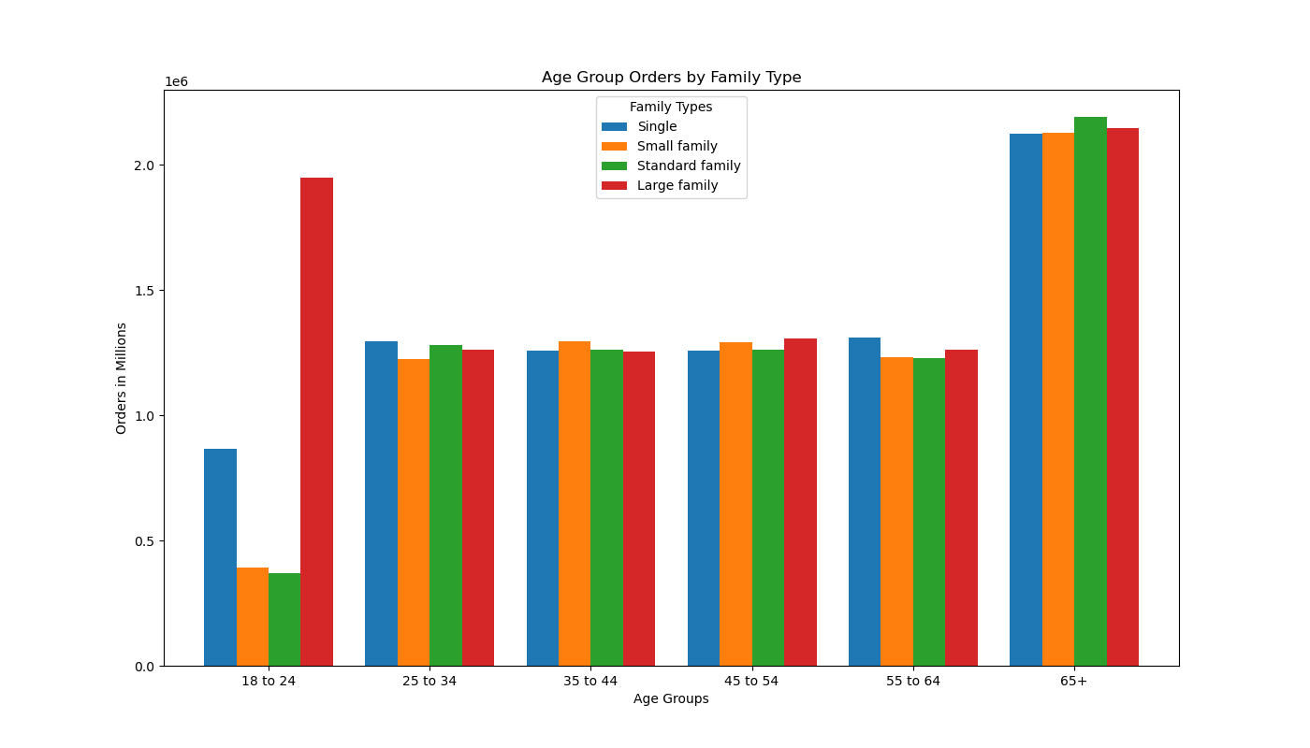

Question: What different classifications does the demographic information suggest? Age? Income? Certain types of goods? Family status?
Answer: People aged 18 to 24 in large families, middle class people aged 18 to 44, upper-middle class people aged 45+, and upper-middle class across all family-types. These profiles are outliers in their sets.
Recommendation: Research these profiles to identify why their groups are significantly more than their peers.

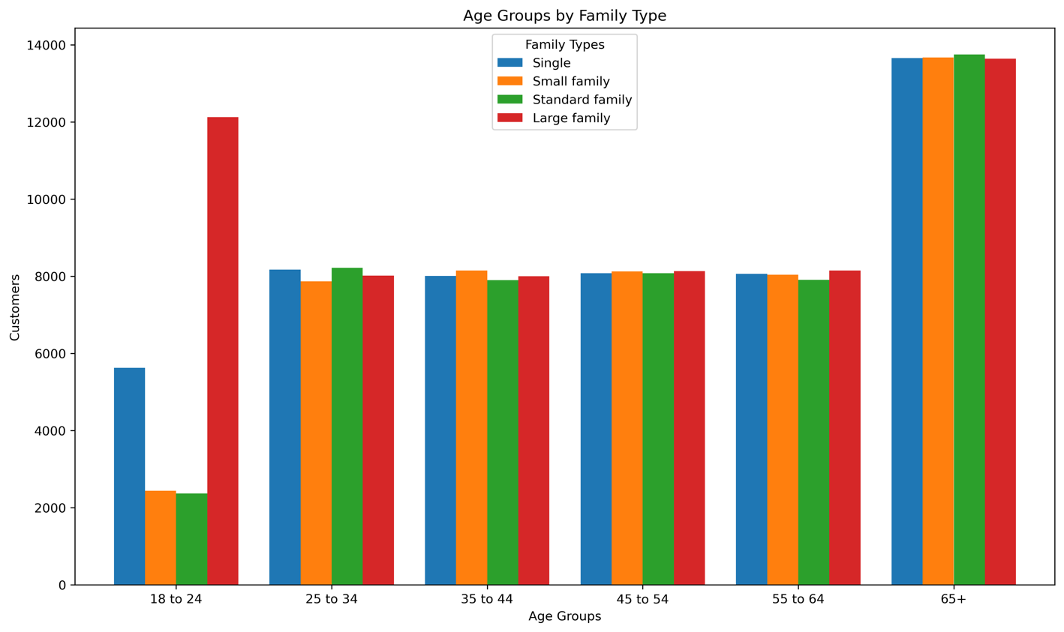
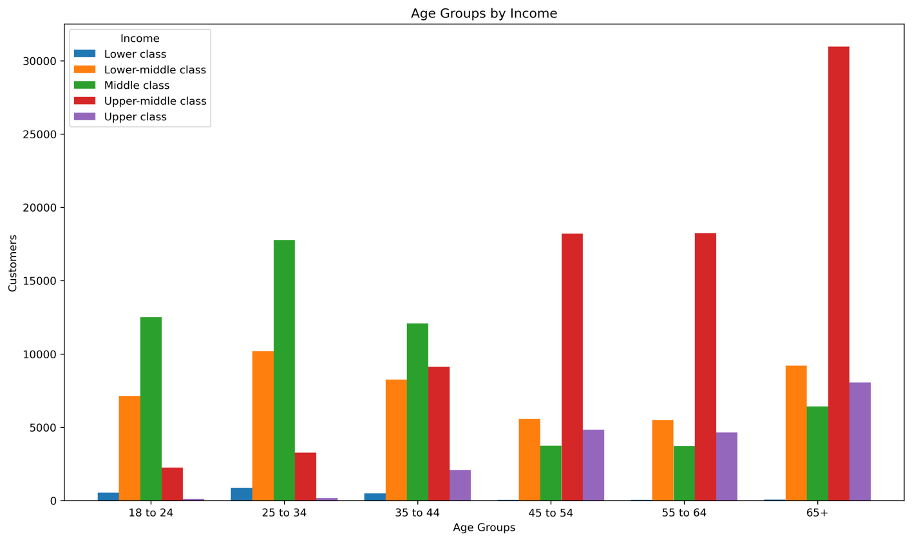
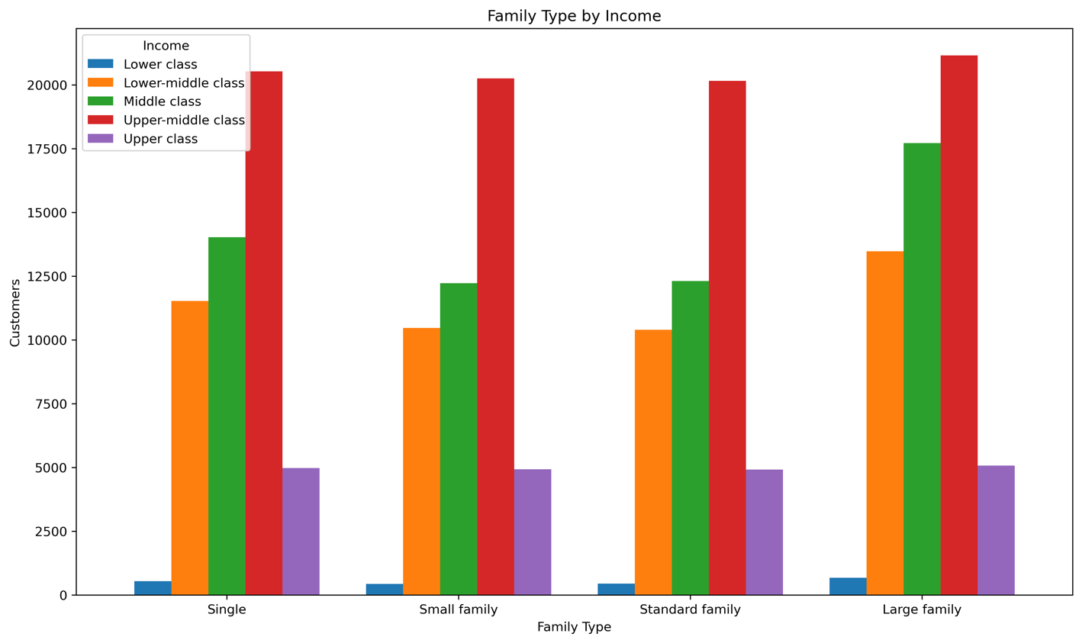

Question: What differences can you find in ordering habits of different customer profiles?
Answer: No significant ordering habit differences. The order frequency across customer types is very similar.
Recommendation: There is no need to do focused department advertising by customer type.

